Table 1
TAICHUNG COMBINED CYCLE POWER PLANT PROJECT |  |  |  |  | SPEC. REF. NO. 1007-141-MS-01
COMBINED CYCLE POWER GENERATING EQUIPMENT WITH POWER BLOCK BUILDINGS & FACILITIES FOR UNITS CC#1 & CC#2

DRAWING/DOCUMENT REVIEW COMMENT SHEET
SYSTEM / EQUIPMENT: Painting Specification, Control Valve List, Manual Valves List for DWTS
DWG/DOC. NO.: As following
ITEM NO. | DRAWING/DOCUMENT NO. | SECTION / ITEM / PAGE | COMMENT / QUESTION | CONTRACTOR'S REPLY | NOTE
1 | TC0-1-KDE02-A0087-A | - | 有關 TC0-1-KDE02·-A0087，Control Valve List,的 Manufacture Name 以及 Model Name 部分均為 Later,請於定稿前填具。 | Sorry for your inconvinience. Manufacturer and model name were added. | DNFPP 儀控組
2 | TC0-1-KDM02-S0051-A | - | 有關 TC0-·1-·KDM02·-S0051，8.4 Panel & Junction Box 的塗裝標準並非依照規範使用 ANSI 或 Munsell, 請廠家澄清/修訂。 | 1) Thanks for your instruction. Final color for Panel & Junction Box, Motor enclosure will be applied to ANSI code like as below. - Indoor Panel/JB/Motor : ANSI No.61 (Light Gray) - Outdoor Panel/JB/Motor : ANSI No.24 (Dark Gray) 2) Since TSK can't find the detail Munsell number code (Light Gray Munsell 8.3G 6.10/0.54, Dark Gray Munsell 1 DG 2.40/1.18), we would like to apply the RAL code instead of Munsell number code. Finally, TSK confirmed that it is possible to apply the ANSI color. We will fully comply ITB requirement for final painting color. | DNFPP 儀控組
3 | TC0-1-KDM02-S0051-A | - | 表格 8.3 Piping & Structure 僅提到 Piping (Demineralized water)及 Piping (Acid)管路塗裝 顏色未依照管路流程列出 Raw water、Reclaimed water、Piping(Caustic)…等管路塗裝顏色，請確認。 | Since the piping material for Raw Water, Reclaimed Water, Caustic and unclassified is SS316, painting is not applied. | CPCO 熱回收 設備組
4 | TC0-1-KDM02-A0087-A | - | CONTROL VALVE LIST NO 10 (C00GCB51QM062)之描述與 P&ID (TC0-1-KDM02-D0024) 圖上所標示的不符，請澄清是否修正為”ACTIVATED CARBON FILTER A BACKWASH OUTLET”，或修改 P&ID 圖。 | 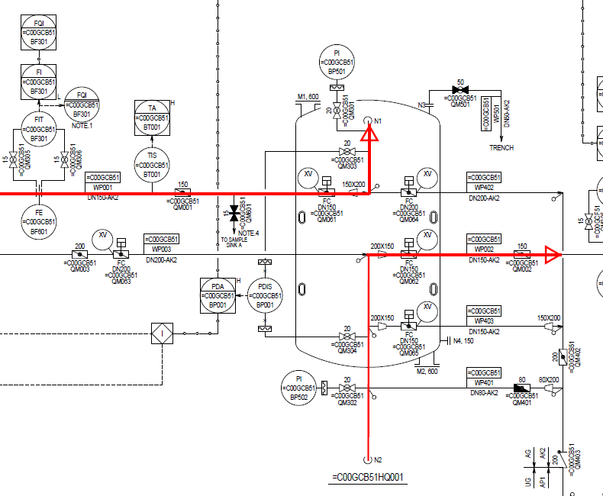 Description for =C00GCB51/52/53/54QM062 is ACF service outlet. It is not backwash outlet valve. ACF service flow is same as below capture. Please kindly review the latest P&ID and control valve list. | CPCO 儀控組
5 | TC0-1-KDM02-A0087-A | - | CONTROL VALVE LIST NO 12 (C00GCB51QM064)，問題同上。 | 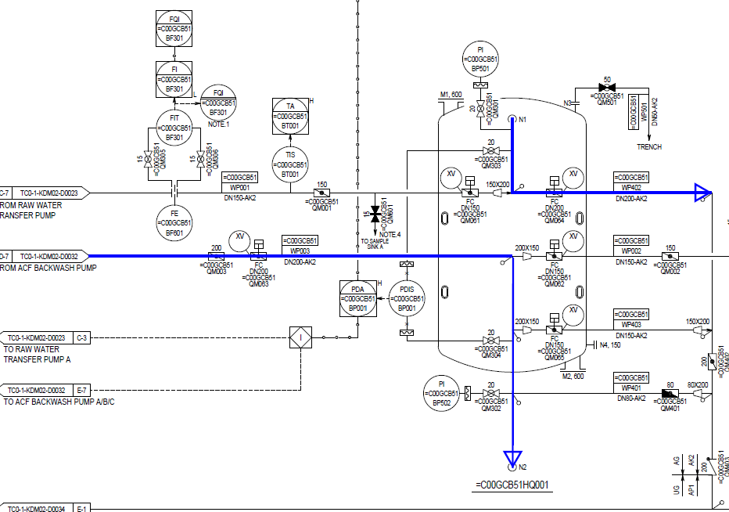 Description for =C00GCB51/52/53/54QM064 is ACF backwash outlet. Please kindly review the latest P&ID and control valve list. | CPCO 儀控組
6 | TC0-1-KDM02-A0087-A | - | CONTROL VALVE LIST NO 22 (C00GCB52QM062)之描述與 P&ID(TC0-1-KDM02-D0024) 圖上所標示的不符，請澄清是否修正為”ACTIVATED CARBON FILTER B BACKWASH OUTLET”，或修改 P&ID 圖。 | Description for =C00GCB51/52/53/54QM062 is ACF service outlet. It is not backwash outlet valve. ACF service flow is same as below capture. Please kindly review the latest P&ID and control valve list. | CPCO 儀控組
7 | TC0-1-KDM02-A0087-A | - | CONTROL VALVE LIST NO 24 (C00GCB52QM064)，問題同上，後續相同問題請一併修改。 | Description for =C00GCB51/52/53/54QM064 is ACF backwash outlet. Please kindly review the latest P&ID and control valve list. | CPCO 儀控組
9 | TC0-1-KDM02-A0069-A | - | MANUAL VALVE LIST NO.65 (C00GCF51QM005) 之 VALVE DESCRIPTION : 4B3T TRAIN A RECYCLE INLET 為何? | Recycle from anion exchanger to cation exchanger is final step for 4B3T regeneration. Dispite of proceeding the displacement and fast rinse, the remain chemical will be removed through the recycle process. Purpose of the =C00GCF51/52/53/54QM005 is manual block valve during maintenance for the recycle line. | CPCO 儀控組
10 | TC0-1-KDM02-A0069-A TC0-1-KDM02-A0087-A | - | 請於下版次補上 MANUFACTURER NAME 及 MODEL NAME。 | Sorry for your inconvinience. Manufacturer and model name were added. | CPCO 儀控組

